SNEAKERS 19V69 SNEAKERS
SNEAKERS VERSACE 19V69
PHOTOS | GENDER | STYLE | REF | COL | COLOR | QTY | RETAIL | TOTAL | SIZE RANGE | 36 | 37 | 38 | 39 | 40 | 41 | 42 | 43 | 44 | 45 | 46
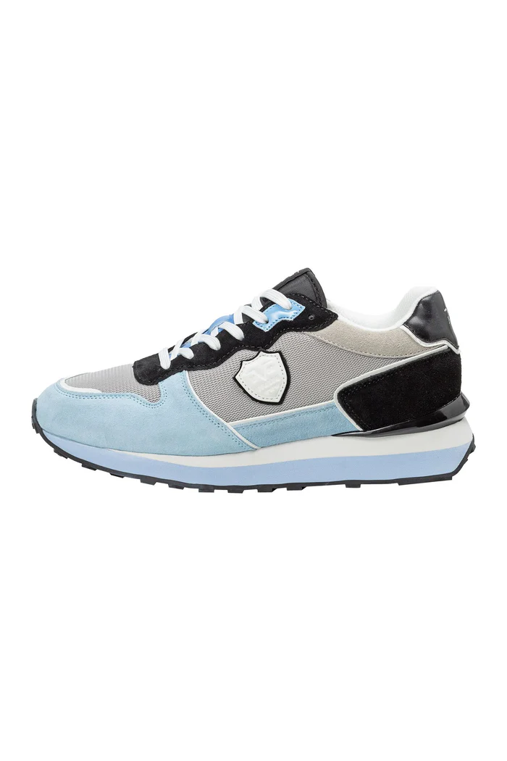 | MEN | MICK | S25MSHO14 | 6562 | NAVY / LIG | 409 | 199.90 € | 81,759.10 € | 40 - 46 |  |  |  |  | 46 | 34 | 66 | 103 | 60 | 70 | 30
 | WOMEN | MOANA | S25WSHO11 | 100 | WHITE | 489 | 199.90 € | 97,751.10 € | 36 - 42 | 50 | 36 | 79 | 115 | 67 | 95 | 47
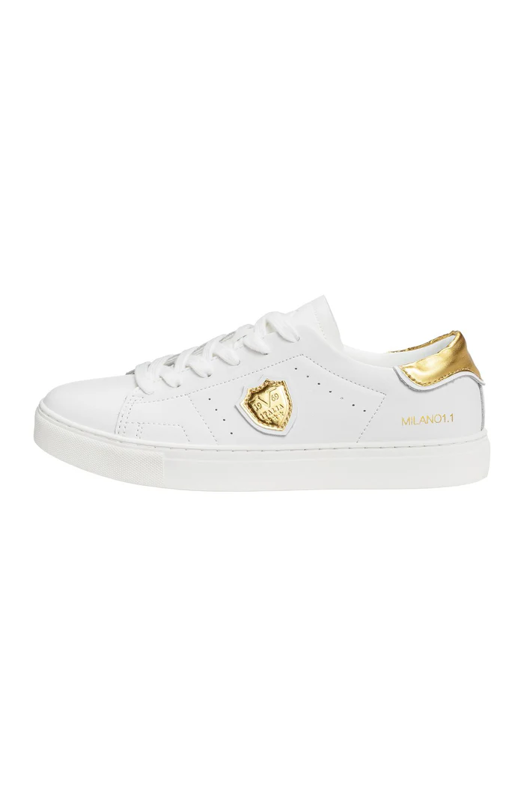 | WOMEN | NALA | S25WSHO10 | 890 | SILVER | 346 | 199.90 € | 69,165.40 € | 36 - 42 | 47 | 20 | 50 | 76 | 37 | 73 | 43
 |  |  |  | 420 | PINK | 438 | 199.90 € | 87,556.20 € |  | 56 | 28 | 68 | 92 | 53 | 89 | 52
 |  |  |  | 290 | GOLD | 409 | 199.90 € | 81,759.10 € |  | 52 | 25 | 60 | 93 | 47 | 84 | 48
 | WOMEN | NIKA | S25WSHO12 | 100 | WHITE | 402 | 199.90 € | 80,359.80 € | 36 - 42 | 51 | 23 | 58 | 91 | 47 | 83 | 49
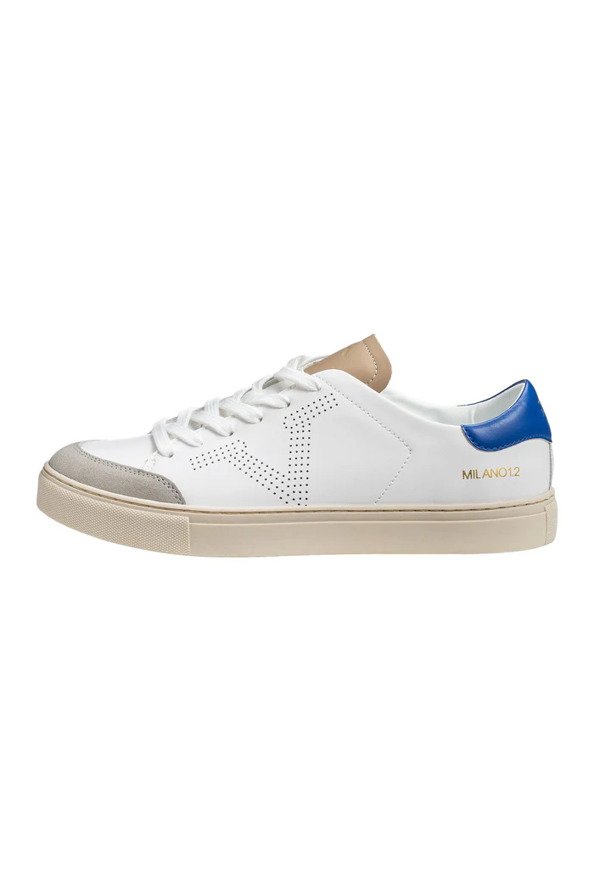 | MEN | OLE | S25MSHO12 | 6542 | NAVY / PIN | 747 | 199.90 € | 149,325.30 € | 40 - 46 |  |  |  |  | 75 | 63 | 122 | 186 | 116 | 126 | 59
 |  |  |  | 6030 | AZZURRO / | 78 | 199.90 € | 15,592.20 € |  |  |  |  |  | 39 | 4 | 0 | 11 | 0 | 15 | 9
 |  |  |  | 4050 | RED / GREE | 176 | 199.90 € | 35,182.40 € |  |  |  |  |  | 42 | 13 | 18 | 40 | 12 | 33 | 18
 | MEN | PIUS | S25MSHO10 | 901 | BLACK | 943 | 199.90 € | 188,505.70 € | 40 - 46 |  |  |  |  | 99 | 77 | 148 | 233 | 139 | 162 | 85
 |  |  |  | 650 | NAVY | 332 | 199.90 € | 66,366.80 € |  |  |  |  |  | 65 | 27 | 40 | 77 | 32 | 61 | 30
 |  |  |  | 400 | RED | 387 | 199.90 € | 77,361.30 € |  |  |  |  |  | 53 | 31 | 54 | 92 | 52 | 67 | 38
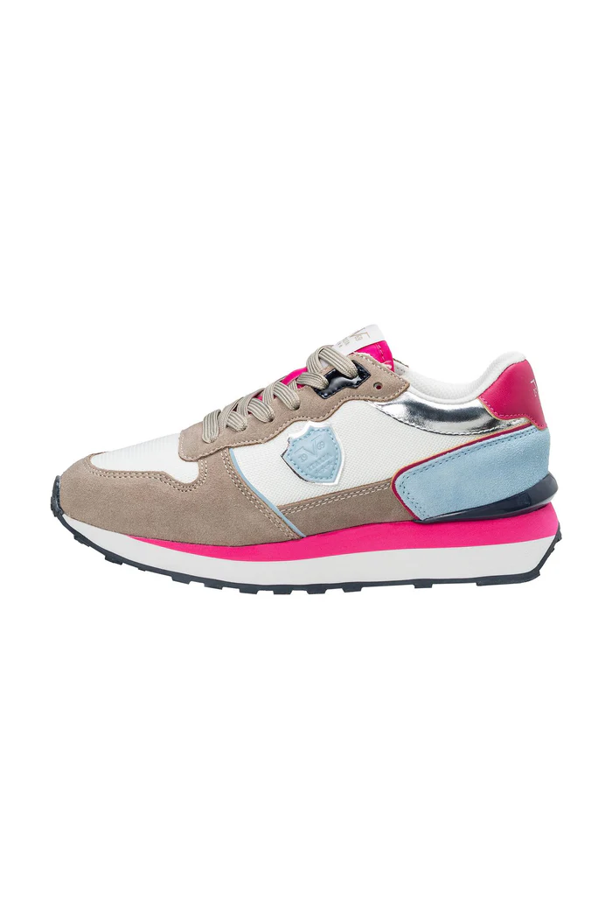 | WOMEN | POLLY | S25WSHO14 | 3042 | BEIGE / PI | 662 | 199.90 € | 132,333.80 € | 36 - 42 | 55 | 51 | 106 | 166 | 110 | 115 | 59
 |  |  |  |  | beige / purple | 749 | 199.90 € | 149,725.10 € | 36 - 42 | 71 | 58 | 115 | 183 | 119 | 135 | 68
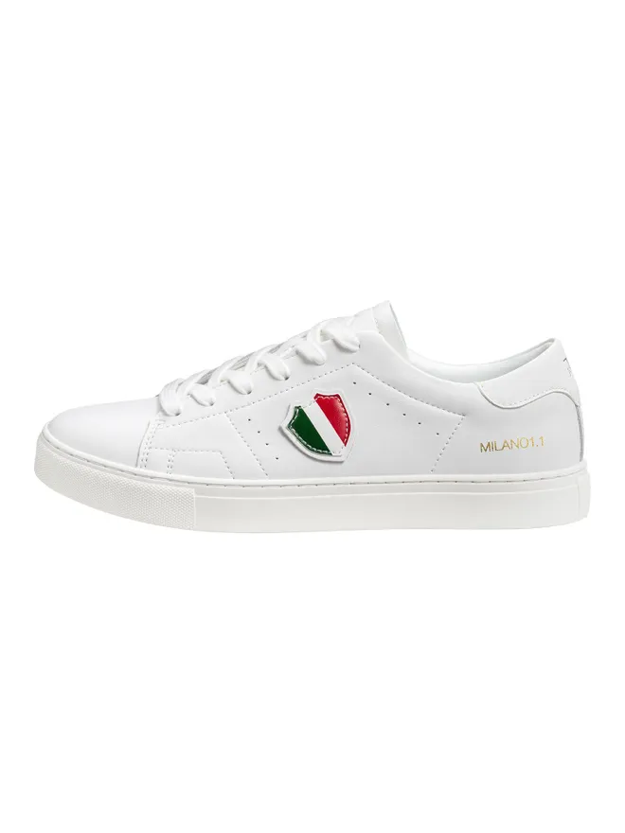 | MEN | RIKO | S25MSHO11 | 100 | WHITE | 82 | 199.90 € | 16,391.80 € | 40 - 46 |  |  |  |  | 32 | 3 | 0 | 18 | 0 | 17 | 12
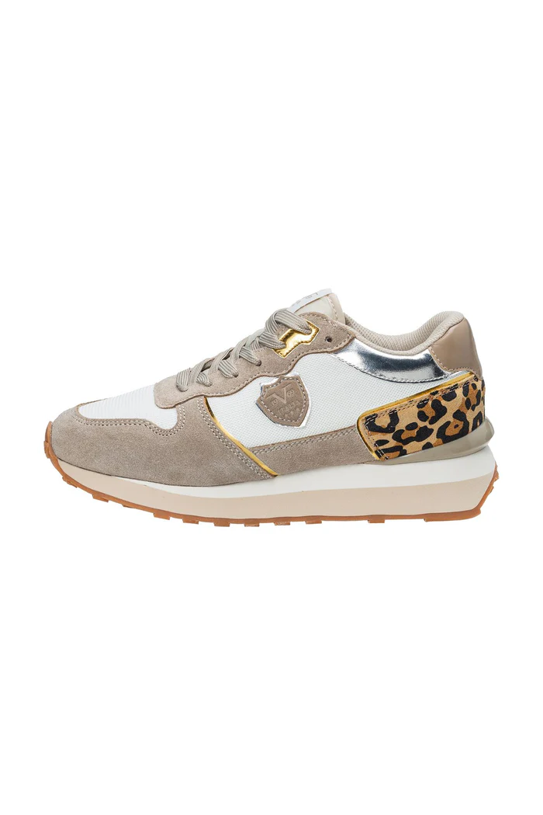 | WOMEN | SENTA | S25WSHO13 | 3030 | BEIGE / LE | 662 | 199.90 € | 132,333.80 € | 36 - 42 | 55 | 51 | 106 | 166 | 110 | 115 | 59
TOTAL VERSACE 19V69 SNEAKERS |  |  |  |  |  | 7,311 | 199.90 € | 1,461,468.90 € |  | 437 | 292 | 642 | 982 | 1,041 | 1,041 | 873 | 760 | 411 | 551 | 281

